10 km
 |  | 10 km training 5 training sessions for advanced runners |  |  |  | 9 month program |  |  | General preparation phase from week 1 until week 24 |  |  |  |  |  |  |  |  |  |  |  |  |  |  |  |  |  | Specific preparation phase from week 24 until 36!

weeks | 1 | 2 | 3 | 4 | 5 | 6 | 7 | 8 | 9 | 10 | 11 | 12 | 13 | 14 | 15 | 16 | 17 | 18 | 19 | 20 | 21 | 22 | 23 | 24 | 25 | 26 | 27 | 28 | 29 | 30 | 31 | 32 | 33 | 34 | 35 | 36
Monday | Rest | Rest | Rest | Rest | Rest | Rest | Rest | Rest | Rest | Rest | Rest | Rest | Rest | Rest | Rest | Rest | Rest | Rest | Rest | Rest | Rest | Rest | Rest | Rest | Rest | Rest | Rest | Rest | Rest | Rest | Rest | Rest | Rest | Rest | Rest | Rest
Tuesday | 2k w.u 4x600 (2') 2k c.d | 2k w.u 4x600 (2') 2k c.d | 2k w.u 5x600 (2') 2k c.d | 2k w.u 5x600 (2') 2k c.d | 2k w.u 5x800 ( 2') 2k c.d | 2k w.u 5x800 ( 2') 2k c.d | 2k w.u 5x800 ( 2') 2k c.d | 2k w.u 6k easy 2k c.d | 2k w.u 6x800 ( 2') 2k c.d | 2k w.u 5x1000 ( 3') 2k c.d | 2k w.u 5x1000 ( 3') 2k c.d | 2k w.u 6k easy 2k c.d | 2k w.u 5x1000 ( 3') 2k c.d | 2k w.u 6x1000 ( 3') 2k c.d | 2k w.u 6x1000 ( 3') 2k c.d | 2k w.u 6k easy 2k c.d | 2k w.u 6x1000 ( 3') 2k c.d | 3k w.u 1600-1200-1000-800-400-200 2k c.d | 3k w.u 1600-1200-1000-800-400-200 3k c.d | 2k w.u 6k easy 2k c.d | 3k w.u 1600-1200-1000-800-400-200 3k c.d | 3k w.u 1600-1200-1000-800-400-200 3k c.d | 3k w.u 1600-1200-1000-800-400-200 3k c.d | 2k w.u 6k easy 2k c.d | 3k w.u 1600-1200-1000-800-400-200 3k c.d | 3k w.u 2000-1600-1200-1000-800-400 3k c.d | 3k w.u 2000-1600-1200-1000-800-400 3k c.d | 2k w.u 6k easy 2k c.d | 3k w.u 2000-1600-1200-1000-800-400 3k c.d | 3k w.u 2000-1600-1200-1000-800-400 3k c.d | 3k w.u 2000-1600-1200-1000-800-400 3k c.d | 2k w.u 6k easy 2k c.d | 3k w.u 2000-1600-1200-1000-800-400 3k c.d | 3k w.u 15x400 (2') 3k c.d | 3k w.u 10x400 (2') 3k c.d | 2k w.u 6k tempo 2k c.d
Wednesday | 8k easy | 8k easy | 9k easy | 9k easy | 10k easy | 10k easy | 11k easy | 8k easy | 11k easy . | 11 easy . | 12k easy . | 8k easy | 12k easy . | 13k easy . | 14k easy . | 8k easy | 14k easy . | 15k easy . | 15k easy . | 8k easy | 15k easy . | 15k easy . | 16k easy . | 8k easy | 16k easy . | 15k easy . | 16k easy . | 8k easy | 16k easy . | 15k easy . | 16k easy . | 8k easy | 16k easy . | 16k easy . | 15k easy . | 2k w.u 6k easy 2k c.d
Thursday | cross-training | cross-training | cross-training | cross-training | cross-training | cross-training | cross-training | 2k w.u 10x400 (2') 2k c.d | 8k fartlek | 2k w.u 5k tempo 2k c.d | 8k fartlek | 2k w.u 10x400 (2') 2k c.d | 8k fartlek | 2k w.u 6k tempo 2k c.d | 9k fartlek | 2k w.u 10x400 (2') 2k c.d | 9k fartlek | 2k w.u 7k tempo 2k c.d | 10k fartlek | 2k w.u 10x400 (2') 2k c.d | 10k fartlek | 3k w.u 8k tempo 2k c.d | 11k fartlek | 2k w.u 10x400 (2') 2k c.d | 11k fartlek | 3k w.u 9k tempo 2k c.d | 12k fartlek | 2k w.u 10x400 (2') 2k c.d | 12k fartlek | 3k w.u 9k tempo 2k c.d | 13k fartlek | 2k w.u 10x400 (2') 2k c.d | 13k fartlek | 3k w.u 10k tempo 3k c.d | 10k fartlek | 2k w.u 8x400 (2') 2k c.d
Friday | rest | rest | rest | rest | rest | rest | rest | Rest | Rest | Rest | Rest | Rest | Rest | Rest | Rest | Rest | Rest | Rest | Rest | Rest | Rest | Rest | Rest | Rest | Rest | Rest | Rest | Rest | Rest | Rest | Rest | Rest | Rest | Rest | Rest | Rest
Saturday | 8k easy 4x80 a.r | 8k easy 4x80 a.r | 9k easy 4x80 a.r | 9k easy 4x80 a.r | 10k easy 4x80 a.r | 10k easy 4x80 a.r | 11k easy 4x80 a.r | 5k easy +4x80 | 11k easy 4x100 a.r | 12k easy 4x100 a.r | 12k easy 4x100 a.r | 5k easy +4x80 | 12k easy 4x100 a.r | 12k easy 4x100 a.r | 13k easy 4x100 a.r | 5k easy +4x80 | 13k easy 4x100 a.r | 14k easy 4x100 a.r | 15k easy 4x100 a.r | 5k easy +4x80 | 15k easy 4x100 a.r | 15k easy 4x100 a.r | 16k easy 4x100 a.r | 5k easy +4x80 | 16k easy 4x100 a.r | 15k easy 4x100 a.r | 16k easy 4x100 a.r | 5k easy +4x80 | 16k easy 4x100 a.r | 16k easy 4x100 a.r | 16k easy 4x100 a.r | 5k easy +4x80 | 16k easy 4x100 a.r | 16k easy 4x100 a.r | 15k easy 4x100 a.r | 5k easy +4x80
Sunday | 10k easy | 10k easy | 11k easy | 11k easy | 12k easy | 12k easy | 13k easy | race | 13k easy | 14k easy | 15k easy | race | 15k easy | 15k easy | 16k easy | race | 16k easy | 16k easy | 17k easy | race | 17k easy | 17k easy | 18k easy | race | 18k easy | 19k long run | 21k long run | race | 21k long run | 22k long run | 24k long run | race | 24k long run | 26k long run | 20k | 10 km
Total km | 33 | 33 | 37 | 37 | 41 | 41 | 44 | 45 | 53 | 56 | 58 | 45-50 | 58 | 62 | 64 | 55-60 | 64 | 66 | 68 | 60 | 68 | 70 | 72 | 60-65 | 72 | 76 | 78 | 65 | 78 | 81 | 83 | 60 | 83 | 86 | 70 | 74

 |  | My first 10 km |  | 3 training sessions a week |  |  |  | 6 month program

weeks | 1 | 2 | 3 | 4 | 5 | 6 | 7 | 8 | 9 | 10 | 11 | 12 | 13 | 14 | 15 | 16 | 17 | 18 | 19 | 20 | 21 | 22 | 23 | 24 | weeks
Monday | Rest | Rest | Rest | Rest | Rest | Rest | Rest | Rest | Rest | Rest | Rest | Rest | Rest | Rest | Rest | Rest | Rest | Rest | Rest | Rest | Rest | Rest | Rest | Rest | Monday
Tuesday | 1k w.u 5x200 (2') 1k c.d | 1k w.u 5x200 (2') 1k c.d | 1k w.u 6x200 (2') 1k c.d | 1k w.u 6x200 (2') 1k c.d | 1k w.u 5x300 (2') 1k c.d | 1k w.u 5x300 (2') 1k c.d | 1k w.u 6x300 (2') 1k c.d | 1k w.u 6x300 (2') 1k c.d | 1k w.u 5x400 (2') 1k c.d | 1k w.u 5x400 (2') 1k c.d | 1k w.u 6x400 (2') 1k c.d | 1k w.u 6x300 (2') 1k c.d | 1k w.u 5x500 (3') 1k c.d | 1k w.u 5x500 (3') 1k c.d | 1k w.u 6x500 (3') 1k c.d | 1k w.u 6x300 (2') 1k c.d | 2k w.u 500-400-300-200-100 (3') 1k c.d | 2k w.u 500-400-300-200-100 (3') 1k c.d | 2k w.u 500-400-300-200-100 (3') 1k c.d | 1k w.u 6x300 (2') 1k c.d | 2 w.u 600-500-400-300-200-100 (3') 1k c.d | 2 w.u 600-500-400-300-200-100 (3') 1k c.d | 2 w.u 600-500-400-300-200-100 (3') 1k c.d | 1k w.u 6x300 (2') 1k c.d | Tuesday
Wednesday | rest | rest | rest | rest | rest | rest | rest | rest | rest | rest | rest | rest | rest | rest | rest | rest | rest | rest | rest | rest | rest | rest | rest | rest | Wednesday
Thursday | 3k easy | 3k easy | 3k easy | 3k easy | 4k easy | 4k easy | 4k easy | 5k easy | 4k easy | 5k easy | 5k easy | 5k easy | 5k easy | 5k easy | 6k easy | 5k easy | 6k easy | 6k easy | 6k easy | 5k easy | 7k easy | 7k easy | 8k easy | 5k easy | Thursday
Friday | rest | rest | rest | rest | rest | rest | rest | rest | rest | rest | rest | rest | rest | rest | rest | rest | rest | rest | rest | rest | rest | rest | rest | rest | Friday
Saturday | 3k easy | 3k easy | 4k easy | 4k easy | 4k easy | 4k easy | 5k easy | 5k race | 5k easy | 5k easy | 5k easy | 5k race | 6k easy | 6k easy | 6k easy | 5k race | 6k easy | 7k easy | 7k easy | 8k race | 7k easy | 8k easy | 8k easy | 10k race | Saturday
Sunday | rest | rest | rest | rest | rest | rest | rest | rest | rest | rest | rest | rest | rest | rest | rest | rest | rest | rest | rest | rest | rest | rest | rest | rest | Sunday
Total km |  |  |  |  |  |  |  |  |  |  |  |  |  |  |  |  |  |  |  |  |  |  |  |  | Total km

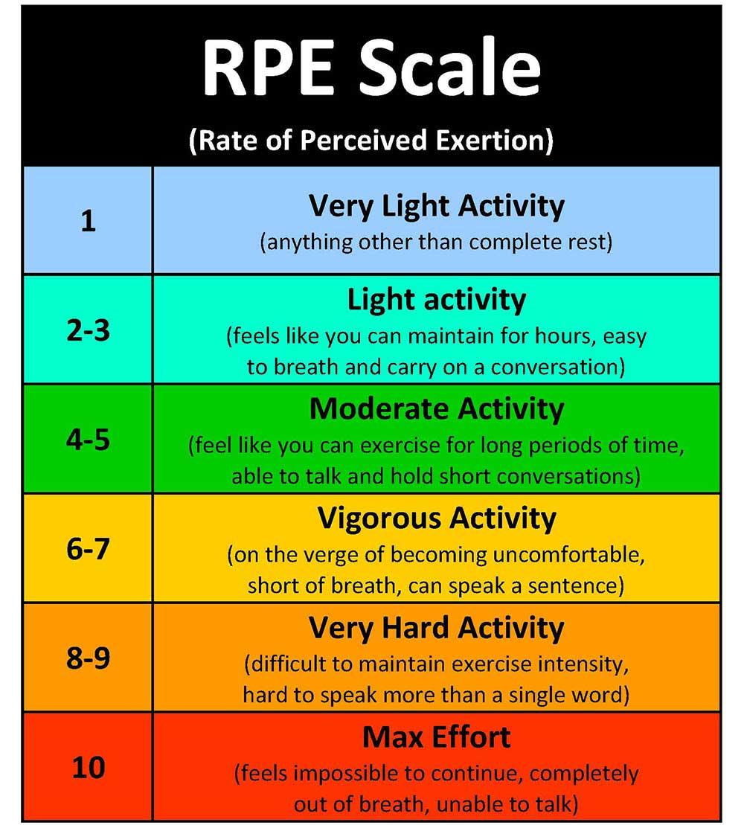

 |  |  |  |  |  |  | https://runsmartproject.com/calculator/

My first 5 km


 |  | Start2run my first 5 km |  |  | 3 training sessions 4 month program

weeks | 1 | 2 | 3 | 4 | 5 | 6 | 7 | 8 | 9 | 10 | 11 | 12 | 13 | 14 | 15 | 16
Monday | Rest | Rest | Rest | Rest | Rest | Rest | Rest | Rest | Rest | Rest | Rest | Rest | Rest | Rest | Rest | Rest
Tuesday | 1k w.u 5x200 (2') 1k c.d | 1k w.u 5x200 (2') 1k c.d | 1k w.u 6x200 (2') 1k c.d | 1k w.u 6x200 (2') 1k c.d | 1k w.u 5x300 (2') 1k c.d | 1k w.u 5x300 (2') 1k c.d | 1k w.u 6x300 (2') 1k c.d | 1k w.u 5x400 (2') 1k c.d | 1k w.u 5x400 (2') 1k c.d | 1k w.u 6x400 (2') 1k c.d | 1k w.u 6x400 (2') 1k c.d | 1k w.u 400-300-200-100x2 (2') 1k c.d | 1k w.u 400-300-200-100x2 (2') 1k c.d | 1k w.u 400-300-200-100x2 (2') 1k c.d | 1k w.u 400-300-200-100x2 (2') 1k c.d | 1k w.u 400-300-200-100x2 (2') 1k c.d
Wednesday | rest | rest | rest | rest | rest | rest | rest | rest | rest | rest | rest | rest | rest | rest | rest | rest
Thursday | free training | free training | free training | free training | free training | free training | free training | free training | free training | free training | free training | free training | free training | free training | free training | free training
Friday | rest | rest | rest | rest | rest | rest | rest | rest | rest | rest | rest | rest | rest | rest | rest | rest
Saturday | 1k w.u 5x200 (2') 1k c.d | 1k w.u 5x200 (2') 1k c.d | 1k w.u 6x200 (2') 1k c.d | 1k w.u 6x200 (2') 1k c.d | 1k w.u 7x200 (2') 1k c.d | 1k w.u 7x200 (2') 1k c.d | 1k w.u 6x300 (2') 1k c.d | Test 3 km | 1k w.u 6x300 (2') 1k c.d | 1k w.u 7x300 (2') 1k c.d | 1k w.u 6x300 (2') 1k c.d | Test 4 km | 1k w.u 3 km easy 1k c.d | 1k w.u 4 km easy 1k c.d | 1k w.u 4 km easy 1k c.d | Race Day 5 km
Sunday | rest | rest | rest | rest | rest | rest | rest | rest | rest | rest | rest | rest | rest | rest | rest | rest
Total km

